Welcome ⭐
Welcome to Excel

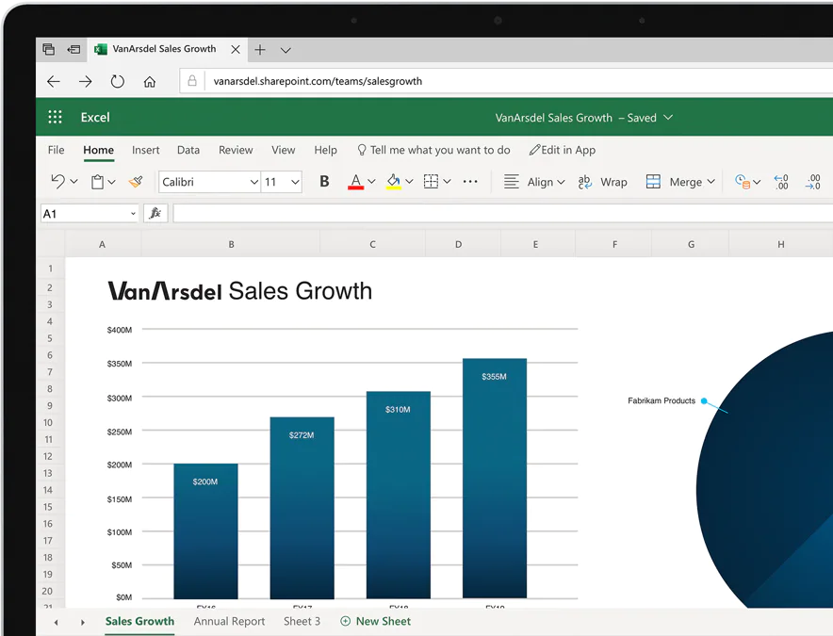
Excel is an incredibly powerful tool for getting meaning out of commonly used data. Use Excel to: - Make a list - Do a simple calculation - Track information Excel is free to use on the web - use it in your web browser on any device.

In this tutorial, you'll learn everything you need to know to get started with Excel.

Next: Learn your way around Excel >

Navigation
Learn your way around Excel

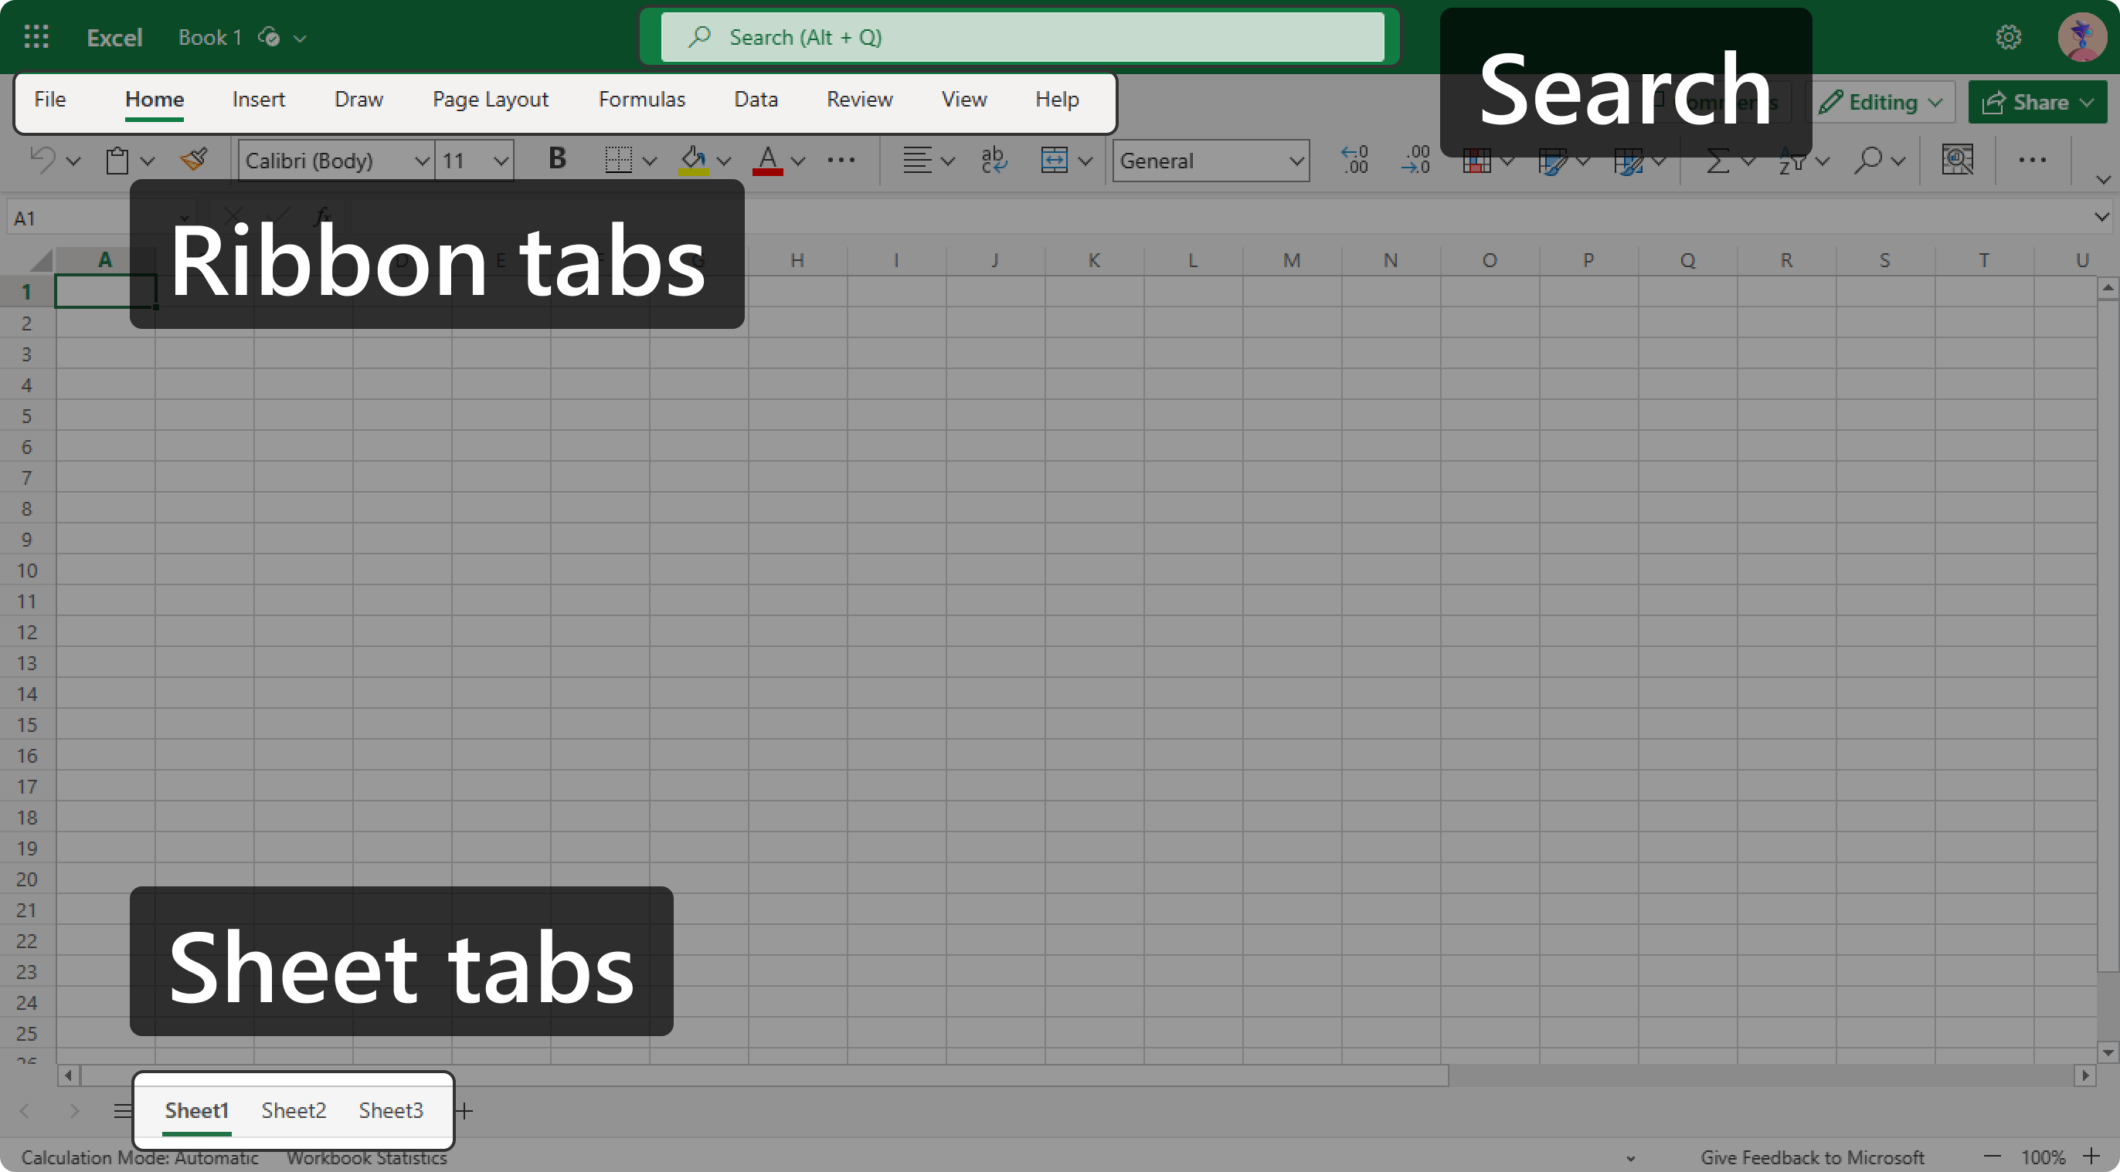
Excel documents are called "workbooks." Each workbook has multiple pages called "worksheets" (or sheets, for short). To go to a worksheet, select a "sheet tab." The sheet tabs are along the bottom of Excel.

 | Try it: Select the Welcome sheet tab, highlighted in blue below with a ⭐ next to it, and then select the Navigation sheet tab to return here.

The "ribbon" is a set of toolbars at the top of Excel. The ribbon has several "ribbon tabs" that are designed to help you find the commands you need. To go to a specific ribbon tab, select it (or press Alt and then press the letter that appears next to it).

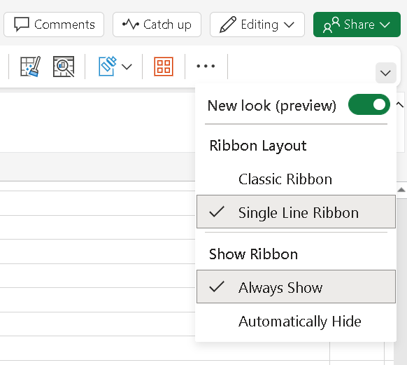
 | Try it: Select the Help ribbon tab to see all the ways you can get help. Select the Home ribbon tab to see the most popular commands.

 | Tip: You can change what the ribbon looks like by using the small caret icon at the far right of the ribbon. Try it now by selecting the caret and choosing "Classic Ribbon."

At the top of Excel you'll find the Search box. Can't find the command that you're looking for? Select the Search box (or press Alt+Q) and type what you'd like to do. For example, type "Help" and select the Help pane.

Next: Do more with your data >

Cells & data
Do more with your data

The key to unlocking the power of Excel is the grid of "cells." Cells can contain numbers, text, formulas, and more, and are grouped in rows and columns. Every column is labelled with a letter at the top, and every row is labelled with a number on the left. The first cell in a worksheet is labelled A1.

 | Try it: Find cell C8 and type some text. Press Enter or Tab when done to save the text in the cell.

A quick way to enter data is to use Flash Fill. Flash Fill automatically fills your data when it senses a pattern. Use the table starting in G10 for this activity. |  | Email | First name | Last name
 |  | Nancy.Smith@contoso.com
 |  | Andy.North@fabrikam.com
 |  | Jan.Kotas@relecloud.com
1
 | In cell H11, type Nancy and then press Enter or Tab to save the text. Choose the Data ribbon tab > Flash Fill (or press Ctrl+E). The First name column is automatically filled. | Mariya.Jones@contoso.com
 |  | Yvonne.McKay@fabrikam.com
2
 | In cell I11, type Smith and then press Enter. Select Flash Fill again to fill the data.

Next: keep everything organized >

Sort & filter
Keep everything organized

Sorting and filtering is an important part of data analysis. It helps you understand your data better and find the insights you're looking for.

1
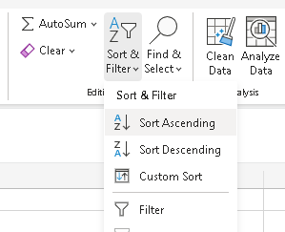
 | Use the table starting in cell H6 to complete the activity. Select H6, the Department header, and then select the Home ribbon tab > Sort & Filter > Sort Ascending to sort the departments in alphabetical order. | Department | Category | Sales
 |  | Meat | Beef | 90000
 |  | Bakery | Desserts | 25000
 |  | Deli | Salads | 90000
 |  | Meat | Chicken | 75000
 |  | Bakery | Breads | 30000

2
 | With cell H6 selected, go to the Home ribbon tab > Sort & Filter > Filter. Filter buttons ▼ appear on the top row, next to the word Department.

3
 | On the Department cell, select the Filter button ▼ and uncheck the Select All checkbox in the popup. Check the box next to Bakery. Select Apply and only the Bakery rows appear.

Next: Make your worksheets look good >

Tables
Make your worksheets look good

1
Using colors and formatting can dramatically improve the readability of your worksheets. |  | Department | Category | Sales
 |  | Produce | Veggies | 1000
 | Use the table starting in cell G4 to complete the activity. Your goal is for the table to look similar to the image below it. | Produce | Fruit | 2000
 |  | Bakery | Breads | 3000
 |  | Bakery | Desserts | 1000
2
 | On the Home ribbon tab, select Format as Table and choose one of the options. In the resulting popup, make sure the My table has headers checkbox is checked and choose OK. Notice that every other row is shaded and filter buttons ▼ have been added to each column. | Deli | Sandwiches | 2000

3
 | When you have selected a cell inside the shaded rows, an extra ribbon tab appears called Table Design. Here you can customize the look of your table with colors, borders, and more. On the Table Design ribbon tab, check the Total Row checkbox to see total sales.

Next: Edit with others, at the same time >

Edit with others
Edit with others, at the same time

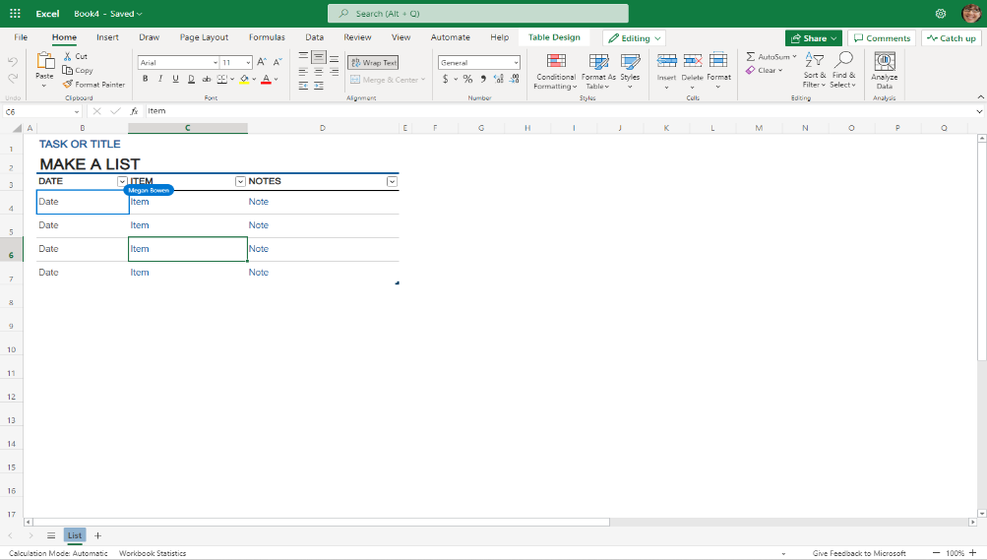
Saving your files to the cloud lets you access them from anywhere and makes it easy to share them with family and friends. Plus, view your files from any of your devices since they're stored in the cloud.

By default, Excel for the web automatically saves your files online to your Documents folder on OneDrive, so you can work with others in real time.

Try it:

1
 | If you are not signed in, sign in now at the top right of the screen. Select the Share button at the top right, choose Share, and type your email address. Choose Send to share this workbook with yourself.
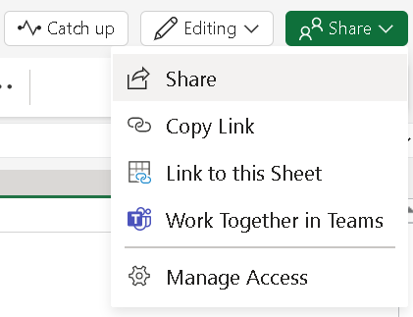

2
 | Now, check your email, open the message you just sent yourself, and then select the Open button to open this workbook.

Tip: Before sharing a file with someone else, check spelling and accessibility by selecting the Review ribbon tab.

Next: save time with templates >

Templates
Save time with templates

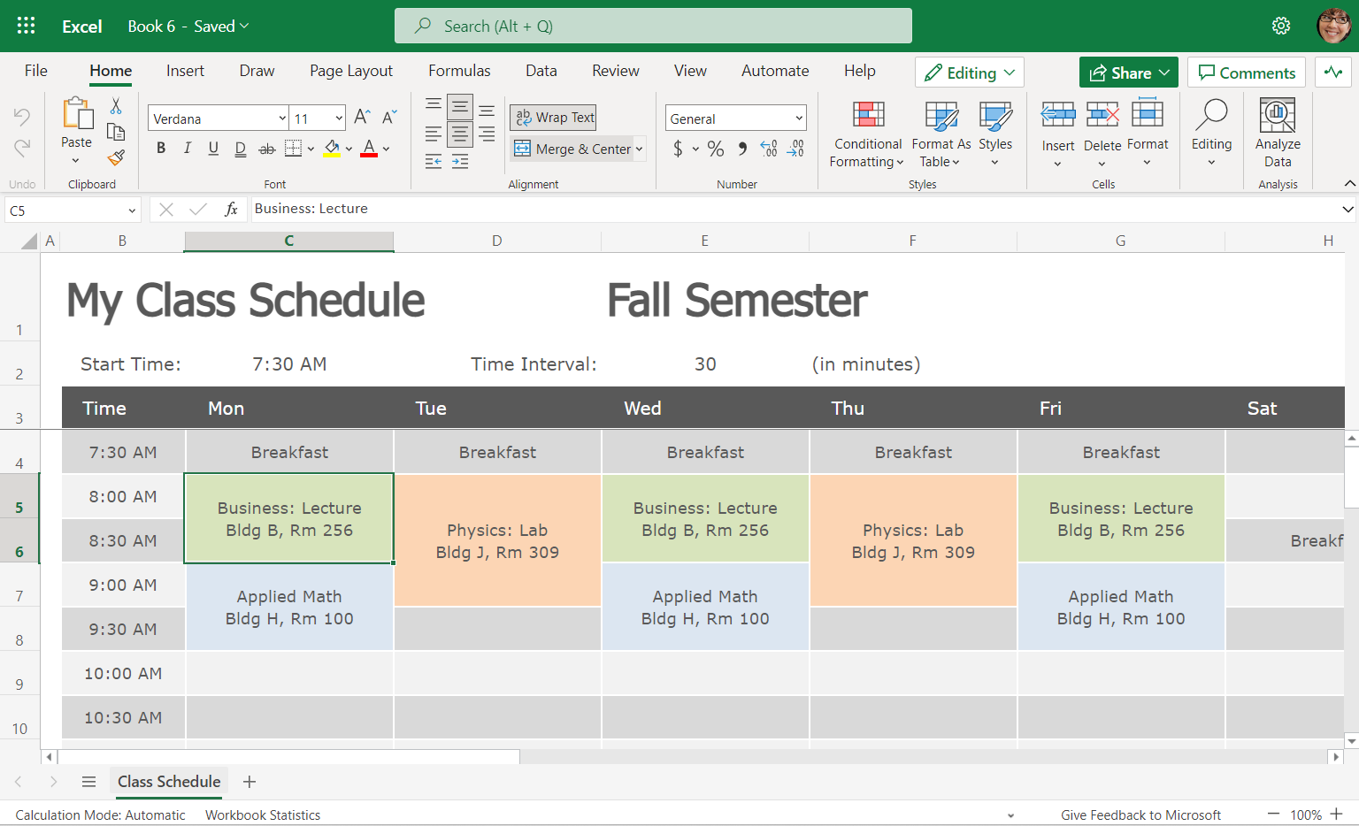
You don’t have to start from scratch if you start with a free template from Office.com. Choose from an assortment of templates like calendars, invoices, and budget planning.
1
 | Go to Office.com.

2
 | Click the Create icon (+) on the menu bar located on the left side of the screen.

3
 | Scroll down to the Excel category.

4
 | Select the template you want, or search for a template using the Search box.

Next: Take your knowledge to the next level >

More
Take your knowledge to the next level

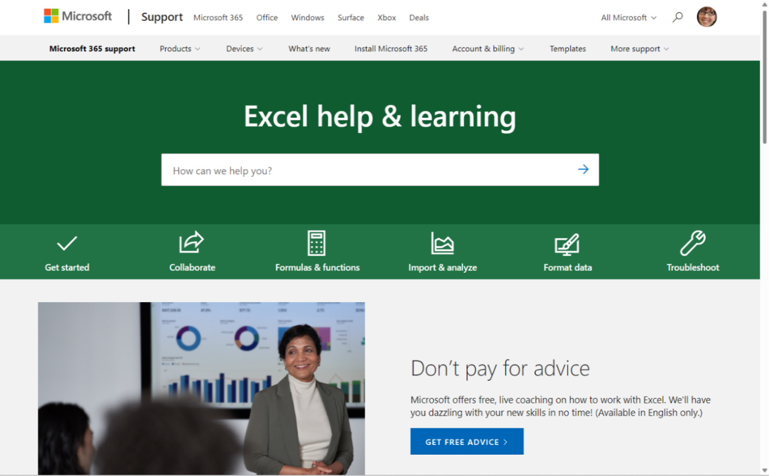
There's so much more to Excel than what we covered here.
1
❶ | Get free training, tutorials, and videos
2
 | Ask an expert in the Excel Tech Community
3
 | Get support in the Answers community
4
 | Learn common keyboard shortcuts
5
 | Take the Formula tutorial

Tip: Send us your feedback.

Love Excel? Have an idea to share with us? Select Give Feedback to Microsoft in the lower-right corner of the Excel window, then follow the prompts to send your suggestions directly to the Excel product team. We'd love to hear from you!

